Spreadsheet explanation
Spreadsheet Acronyms
OD = Optical Density
YF = Yellow Fever
VA = Viral Antigen (YF)
NA = Normal Antigen
PC = Positive Control
NC = Negative Control
PCVA = Average PC on VA
NCVA = Average NC on VA
PCNA = Average PC on NA
PCVA-VL = PCVA variability limit
NCVA-VL = NCVA variability limit
NBR = Normal Background Ratio
P/N = Ratio of Average Absorbance with Viral Antigen to Average Absorbance of Negative Control with Viral Antigen
Plate Set-up |  |  |  | YF MAC-HD |  |  |  |  |  |  |  |  |  |  |  |  | YF MAC-ON
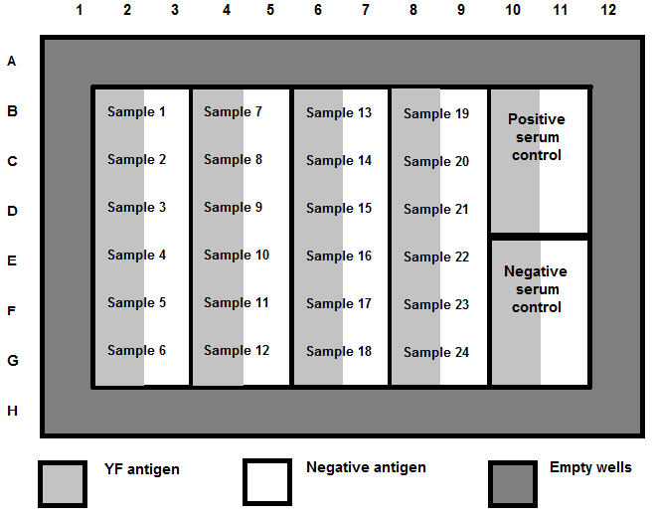
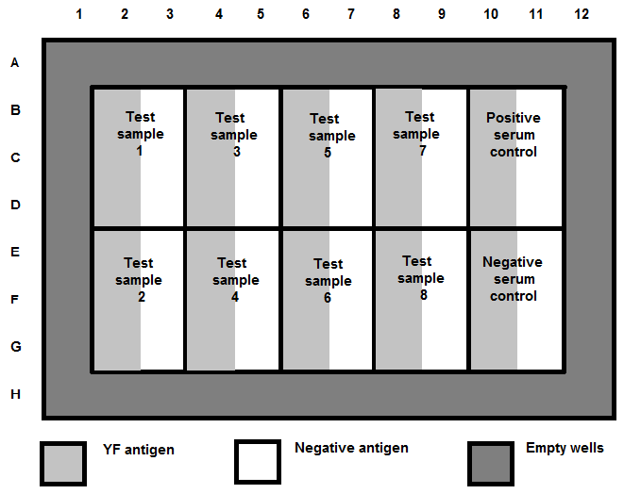

 | Blank |  |  |  |  |  |  |  |  |  |  |  |  | Blank
 | Blank | Sample 1 | Sample 7 |  | Sample 13 |  | Sample 19 |  | Positive control on VA | Positive control on NA |  |  |  | Blank |  |  |  |  |  |  |  | Positive control on VA | Positive control on NA
 | Blank | Sample 2 | Sample 8 |  | Sample 14 |  | Sample 20 |  |  |  |  |  |  | Blank | Sample 1 | Sample 3 |  | Sample 5 |  | Sample 7
 | Blank | Sample 3 | Sample 9 |  | Sample 15 |  | Sample 21 |  |  |  |  |  |  | Blank
 |  | Sample 4 | Sample 10 |  | Sample 16 |  | Sample 22 |  | Negative control on VA | Negative control on NA |  |  |  |  |  |  |  |  |  |  |  | Negative control on VA | Negative control on NA
 |  | Sample 5 | Sample 11 |  | Sample 17 |  | Sample 23 |  |  |  |  |  |  |  | Sample 2 | Sample 4 |  | Sample 6 |  | Sample 8
 |  | Sample 6 | Sample 12 |  | Sample 18 |  | Sample 24

 | VA (or YFVA) |  | NA |  | Empty wells |  |  |  |  |  |  |  |  | VA (or YFVA) |  | NA |  | Empty wells

Average Blank OD reading is calculated
 |  |  | 0.0000 | 0.0000 | 0.0000 | 0.0000 | 0.0000 | 0.0000 | 0.0000 | 0.0000 | 0.0000 | 0.0000 | 0.0000 | 0.0000 | PASTE AS "VALUES".
 |  |  | 0.0000 | 0.0000 | 0.0000 | 0.0000 | 0.0000 | 0.0000 | 0.0000 | 0.0000 | 0.0000 | 0.0000 | 0.0000 | 0.0000 | PASTE OD's IN THE TOP
 |  |  | 0.0000 | 0.0000 | 0.0000 | 0.0000 | 0.0000 | 0.0000 | 0.0000 | 0.0000 | 0.0000 | 0.0000 | 0.0000 | 0.0000 | CELLS COLORED YELLOW
 |  |  | 0.0000 | 0.0000 | 0.0000 | 0.0000 | 0.0000 | 0.0000 | 0.0000 | 0.0000 | 0.0000 | 0.0000 | 0.0000 | 0.0000 | OF THE YF MAC-HD and YF MAC-ON tabs.
Blank OD A1:D1 |  |  | 0.0000 | 0.0000 | 0.0000 | 0.0000 | 0.0000 | 0.0000 | 0.0000 | 0.0000 | 0.0000 | 0.0000 | 0.0000 | 0.0000 | DO NOT USE AUTOMATICALLY
 |  |  | 0.0000 | 0.0000 | 0.0000 | 0.0000 | 0.0000 | 0.0000 | 0.0000 | 0.0000 | 0.0000 | 0.0000 | 0.0000 | 0.0000 | BLANKED RESULTS
 |  |  | 0.0000 | 0.0000 | 0.0000 | 0.0000 | 0.0000 | 0.0000 | 0.0000 | 0.0000 | 0.0000 | 0.0000 | 0.0000 | 0.0000
 |  |  | 0.0000 | 0.0000 | 0.0000 | 0.0000 | 0.0000 | 0.0000 | 0.0000 | 0.0000 | 0.0000 | 0.0000 | 0.0000 | 0.0000

Average Blank OD is subtracted from all well OD readings
 |  |  | Blank
 |  |  | Blank | 0.0000 | 0.0000 | 0.0000 | 0.0000 | 0.0000 | 0.0000 | 0.0000 | 0.0000 | 0.0000 | 0.0000
 |  |  | Blank | 0.0000 | 0.0000 | 0.0000 | 0.0000 | 0.0000 | 0.0000 | 0.0000 | 0.0000 | 0.0000 | 0.0000
 |  |  | Blank | 0.0000 | 0.0000 | 0.0000 | 0.0000 | 0.0000 | 0.0000 | 0.0000 | 0.0000 | 0.0000 | 0.0000
Blank OD A1:D1 |  |  |  | 0.0000 | 0.0000 | 0.0000 | 0.0000 | 0.0000 | 0.0000 | 0.0000 | 0.0000 | 0.0000 | 0.0000
 |  |  |  | 0.0000 | 0.0000 | 0.0000 | 0.0000 | 0.0000 | 0.0000 | 0.0000 | 0.0000 | 0.0000 | 0.0000
 |  |  |  | 0.0000 | 0.0000 | 0.0000 | 0.0000 | 0.0000 | 0.0000 | 0.0000 | 0.0000 | 0.0000 | 0.0000

PCVA-VL ---MIN DIFFERENCE= Determine if the three blank subtracted absorbance values are < 0.3 different from each other by subtracting the smallest blank-subtracted absorbance value from the middle value, and the middle from the highest

 |  |  |  |  | Assay Acceptance Criteria
PCVA-VL MIN DIFFERENCE & NCVA-VL MIN DIFFERENCE
 |  |  | Blank
 |  |  | Blank | 0.0000 | 0.0000 | 0.0000 | 0.0000 | 0.0000 | 0.0000 | 0.0000 | 0.0000 | 0.0000 | 0.0000
 |  |  | Blank | 0.0000 | 0.0000 | 0.0000 | 0.0000 | 0.0000 | 0.0000 | 0.0000 | 0.0000 | 0.0000 | 0.0000
 |  |  | Blank | 0.0000 | 0.0000 | 0.0000 | 0.0000 | 0.0000 | 0.0000 | 0.0000 | 0.0000 | 0.0000 | 0.0000
 |  |  |  | 0.0000 | 0.0000 | 0.0000 | 0.0000 | 0.0000 | 0.0000 | 0.0000 | 0.0000 | 0.0000 | 0.0000
 |  |  |  | 0.0000 | 0.0000 | 0.0000 | 0.0000 | 0.0000 | 0.0000 | 0.0000 | 0.0000 | 0.0000 | 0.0000
 |  |  |  | 0.0000 | 0.0000 | 0.0000 | 0.0000 | 0.0000 | 0.0000 | 0.0000 | 0.0000 | 0.0000 | 0.0000

NCVA-VL ---MIN DIFFERENCE= Determine if the three blank subtracted absorbance values are < 0.025 different from each other by subtracting the smallest blank-subtracted absorbance value from the middle value, and the middle from the highest

PCVA= Average Positive Control on Yellow Fever Anitigen

 |  |  |  |  | Assay Acceptance Criteria

Calculate PCVA, PCNA & NCVA
PCNA= Average Positive Control on Normal Anitigen
 |  |  | Blank
 |  |  | Blank | 0.0000 | 0.0000 | 0.0000 | 0.0000 | 0.0000 | 0.0000 | 0.0000 | 0.0000 | 0.0000 | 0.0000
 |  |  | Blank | 0.0000 | 0.0000 | 0.0000 | 0.0000 | 0.0000 | 0.0000 | 0.0000 | 0.0000 | 0.0000 | 0.0000
 |  |  | Blank | 0.0000 | 0.0000 | 0.0000 | 0.0000 | 0.0000 | 0.0000 | 0.0000 | 0.0000 | 0.0000 | 0.0000
 |  |  |  | 0.0000 | 0.0000 | 0.0000 | 0.0000 | 0.0000 | 0.0000 | 0.0000 | 0.0000 | 0.0000 | 0.0000
 |  |  |  | 0.0000 | 0.0000 | 0.0000 | 0.0000 | 0.0000 | 0.0000 | 0.0000 | 0.0000 | 0.0000 | 0.0000
 |  |  |  | 0.0000 | 0.0000 | 0.0000 | 0.0000 | 0.0000 | 0.0000 | 0.0000 | 0.0000 | 0.0000 | 0.0000

NCVA= Average Negative Control on Yellow Fever Anitigen. *Note: If NCVA is less than 0.05 (< 0.05), excel spreadsheet will use 0.05 for all the calculations.

 |  |  |  | YF MAC-HD |  |  |  |  |  |  |  |  |  |  |  |  | YF MAC-ON
AVERAGE VA OD
AVERAGE NA OD
VA OD
NA OD

 |  |  | Blank |  |  |  |  |  |  |  |  |  |  |  |  | Blank
 |  |  | Blank | 0.0000 | 0.0000 | 0.0000 | 0.0000 | 0.0000 | 0.0000 | 0.0000 | 0.0000 | 0.0000 | 0.0000 |  |  | Blank | 0.0000 | 0.0000 | 0.0000 | 0.0000 | 0.0000 | 0.0000 | 0.0000 | 0.0000 | 0.0000 | 0.0000
 |  |  | Blank | 0.0000 | 0.0000 | 0.0000 | 0.0000 | 0.0000 | 0.0000 | 0.0000 | 0.0000 | 0.0000 | 0.0000 |  |  | Blank | 0.0000 | 0.0000 | 0.0000 | 0.0000 | 0.0000 | 0.0000 | 0.0000 | 0.0000 | 0.0000 | 0.0000
 |  |  | Blank | 0.0000 | 0.0000 | 0.0000 | 0.0000 | 0.0000 | 0.0000 | 0.0000 | 0.0000 | 0.0000 | 0.0000 |  |  | Blank | 0.0000 | 0.0000 | 0.0000 | 0.0000 | 0.0000 | 0.0000 | 0.0000 | 0.0000 | 0.0000 | 0.0000
 |  |  |  | 0.0000 | 0.0000 | 0.0000 | 0.0000 | 0.0000 | 0.0000 | 0.0000 | 0.0000 | 0.0000 | 0.0000 |  |  |  | 0.0000 | 0.0000 | 0.0000 | 0.0000 | 0.0000 | 0.0000 | 0.0000 | 0.0000 | 0.0000 | 0.0000
 |  |  |  | 0.0000 | 0.0000 | 0.0000 | 0.0000 | 0.0000 | 0.0000 | 0.0000 | 0.0000 | 0.0000 | 0.0000 |  |  |  | 0.0000 | 0.0000 | 0.0000 | 0.0000 | 0.0000 | 0.0000 | 0.0000 | 0.0000 | 0.0000 | 0.0000
 |  |  |  | 0.0000 | 0.0000 | 0.0000 | 0.0000 | 0.0000 | 0.0000 | 0.0000 | 0.0000 | 0.0000 | 0.0000 |  |  |  | 0.0000 | 0.0000 | 0.0000 | 0.0000 | 0.0000 | 0.0000 | 0.0000 | 0.0000 | 0.0000 | 0.0000

 |  |  |  |  |  |  |  |  |  | •P/N = Average Absorbance with Viral Antigen
 |  |  |  |  |  |  |  |  |  | Average Absorbance of Negative Control with Viral Antigen

 |  |  |  |  |  |  |  |  |  | •P/N for PC = PCVA
 |  |  |  |  |  |  |  |  |  | NCVA (*Note: if NCVA is < 0.05, then use 0.05 for the calculations)

 |  |  |  |  |  |  |  |  |  | •P/N for sample(s)= Average VA OD
 |  |  |  |  |  |  |  |  |  | NCVA(*Note: if NCVA is < 0.05, then use 0.05 for the calculations)

 |  |  |  |  |  |  |  |  |  | •NBR = Average Absorbance with Viral Antigen
 |  |  |  |  |  |  |  |  |  | Average Absorbance with Normal Antigen

 |  |  |  |  |  |  |  |  |  | •NBR for PC = PCVA
 |  |  |  |  |  |  |  |  |  | PCNA

 |  |  |  |  |  |  |  |  |  | •NBR for sample(s)= Average VA OD
 |  |  |  |  |  |  |  |  |  | Average NA OD

 |  |  |  |  |  |  |  | *Note: Refer to manual calculations section of Instruction for Use (IFU) for further details.

